Info
 |  |  | Output overview
 |  |  |  | Bona fide RBPs | Candidate RBPs | Not significant
 |  |  | Dry | 34 | 68 | 33
 |  |  | Primed | 36 | 89 | 10
LFQ values from MaxQuant (normalized across pulldown samples only, not including TP, dry and primed, and 6 HAI data processed separately) |  |  | 6 HAI | 113 | 84 | 27
Filtered only identified by site, reverse and potential contaminant
Filtered with quality matrix (unique peptides) >1
Log10 transformed
Filtered based on valid values (min. 2 for 6 HAi data, min. 3 for dry & primed data)
Imputated with constant: 3
Annotated with GO terms and Pfam domains according to A. thaliana annotation via Perseus

Vulcano plots: | Randomizations | 250
 | FDR | 0.05
 | S0 | 0.1

3 output groups:
Non-significant proteins
Candidate RBPs (difference y-axis >1)
Bona fide RBPs (cutoff described below)

Manual significance cutoff was set based on the vulcano plots and Wieczorek, S., Gianetto, Q. G., & Burger, T. (2019). Five simple yet essential steps to correctly estimate the rate of false differentially abundant proteins in mass spectrometry analyses. Journal of proteomics, 207, 103441
y-axis: 3
x-axis: 2

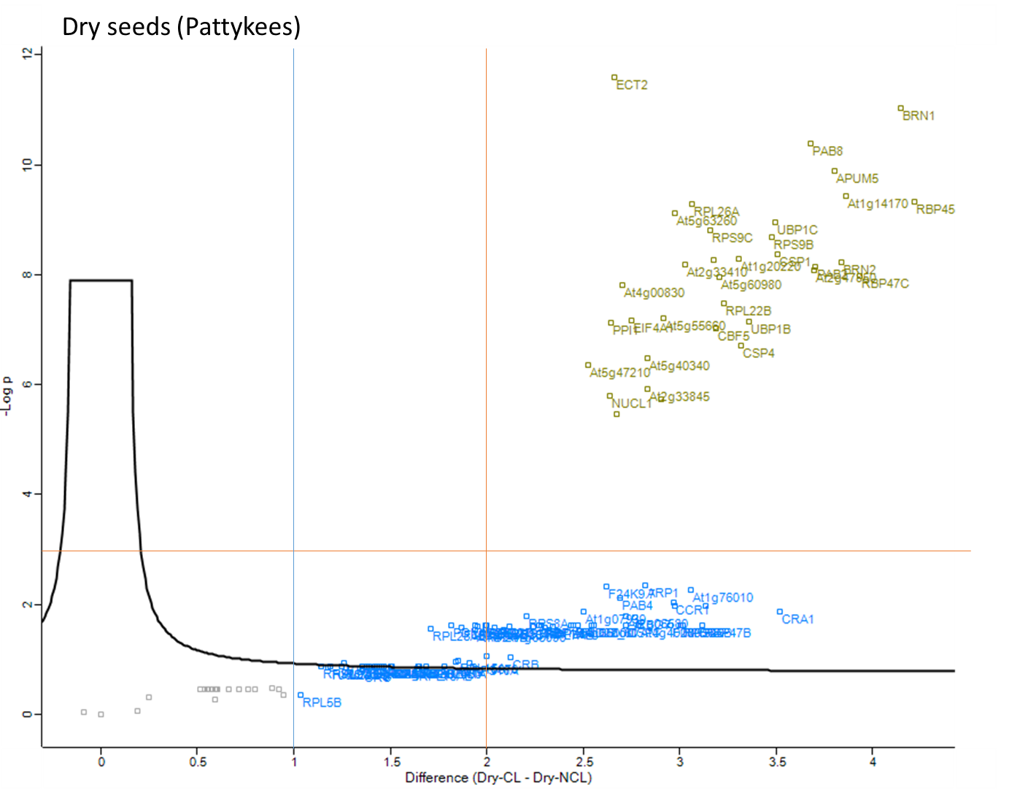
Dry
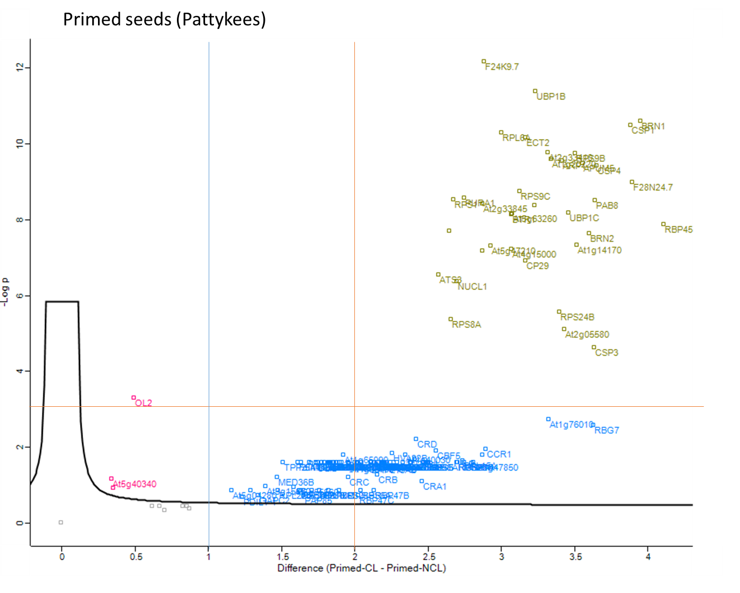
Primed
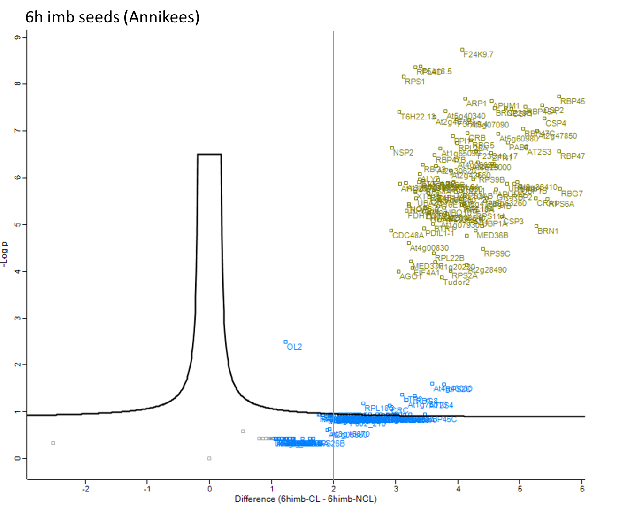
6 HAI

